crew
 |  | flight Sequence
 |  | 1 | 2 | 3 | 4 | 5 | 6 | 7 | 8 | 9 | 10 | 11 | 12
 | cost | 2 | 3 | 4 | 6 | 7 | 5 | 7 | 8 | 9 | 9 | 8 | 9

 | includes segment? |  |  |  |  |  |  |  |  |  |  |  |  | total |  | at least
 | SFO-LAX | 1 | 0 | 0 | 1 | 0 | 0 | 1 | 0 | 0 | 1 | 0 | 0 | 1 | >= | 1
 | SFO-DEN | 0 | 1 | 0 | 0 | 1 | 0 | 0 | 1 | 0 | 0 | 1 | 0 | 1 | >= | 1
 | SFO-SEA | 0 | 0 | 1 | 0 | 0 | 1 | 0 | 0 | 1 | 0 | 0 | 1 | 1 | >= | 1
 | LAX-ORD | 0 | 0 | 0 | 1 | 0 | 0 | 1 | 0 | 1 | 1 | 0 | 1 | 1 | >= | 1
 | LAX-SFO | 1 | 0 | 0 | 0 | 0 | 1 | 0 | 0 | 0 | 1 | 1 | 0 | 1 | >= | 1
 | ORD-DEN | 0 | 0 | 0 | 1 | 1 | 0 | 0 | 0 | 1 | 0 | 0 | 0 | 1 | >= | 1
 | ORD-SEA | 0 | 0 | 0 | 0 | 0 | 0 | 1 | 1 | 0 | 1 | 1 | 1 | 1 | >= | 1
 | DEN-SFO | 0 | 1 | 0 | 1 | 1 | 0 | 0 | 0 | 1 | 0 | 0 | 0 | 1 | >= | 1
 | DEN-ORD | 0 | 0 | 0 | 0 | 1 | 0 | 0 | 1 | 0 | 1 | 0 | 0 | 1 | >= | 1
 | SEA-SFO | 0 | 0 | 1 | 0 | 0 | 0 | 1 | 1 | 0 | 0 | 0 | 1 | 1 | >= | 1
 | SEA-LAX | 0 | 0 | 0 | 0 | 0 | 1 | 0 | 0 | 1 | 1 | 0 | 1 | 1 | >= | 1

 | fly sequence | 1 | 2 | 3 | 4 | 5 | 6 | 7 | 8 | 9 | 10 | 11 | 12
 |  | 1 | 0 | 0 | 0 | 1 | 0 | 0 | 0 | 0 | 0 | 0 | 1 | 3 | <= | 3
 |  |  |  |  |  |  |  |  |  |  |  |  |  | total costs
 |  |  |  |  |  |  |  |  |  |  |  |  |  | 18
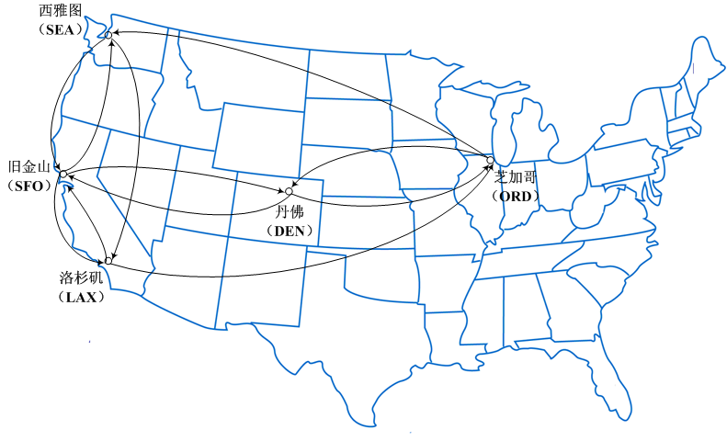
flight Sequence
1 | SFO-LAX-SFO
2 | SFO-DEN-SFO
3 | SFO-SEA-SFO
4 | SFO-LAX-ORD-DEN-SFO
5 | SFO-DEN-ORD-DEN-SFO
6 | SFO-SEA-LAX-SFO
7 | SFO-LAX-ORD-SEA-SFO
8 | SFO-DEM-ORD-SEA-SFO
9 | SFO-SEA-LAX-ORD-DEN-SFO
10 | SFO-LAX-ORD-SEA-LAX-SFO
11 | SFO-DEN-ORD-SEA-LAX-SFO
12 | SFO-SEA-LAX-ORD-SEA-SFO

